Sheet1
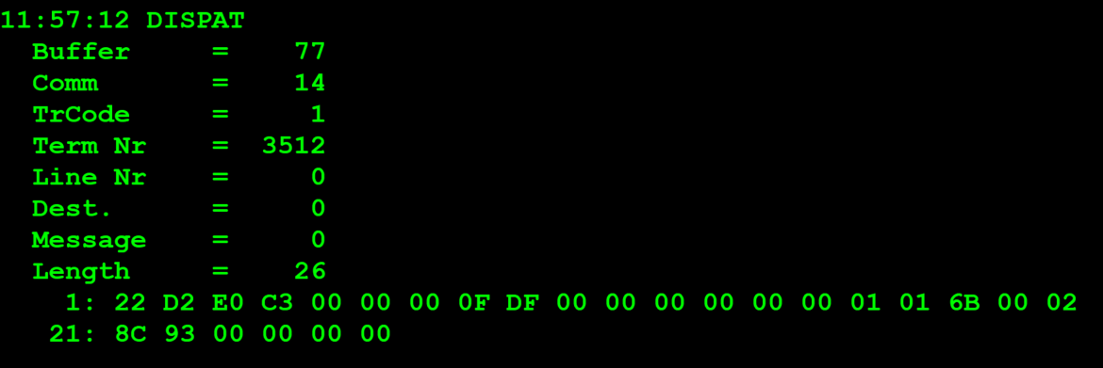
TestByte |  | Size | Field Contents |  | Hexa | Bin | Dec
Start | End
1 | 1 | 1 | Control | Sequence | 22 | Control=0010 Sequence=0010 | 2 2 | Control -> x10 - Application Message Sequence -> 2
2 | 2 | 1 | Type = 13 | Subtype = 02 | D2 | Type=1101 Subtype=0110 | Type=13 Subtype=2 | Type = 13 Subtype = 2
3 | 4 | 2 | Checksum |  | E0 C3
5 | 5 | 1 | Statistics[1] |  | 00 |  | 0
6 | 7 | 2 | Option Flags |  | 00 00 |  | 0
8 | 8+n-1 | n | Option Data[2] |  | N | N | N | N
8+n | 9+n | 2 | Agent Pass Code (returns/issues only) |  | 0F DF |  | 4063
10+n | 13+n | 4 | Sales Representative Number (returns/issues only) |  | 00 00 00 00 |  | 0
14+n | 15+n | 2 | Sales Representative Pass Code (0001-9999) (returns/issues only) |  | 00 00 |  | 0
16+n | 16+n | 1 | Class (see below) |  | 01 |  | 1 | Pack Activation
17+n | 18+n | 2 | Game Number (000-999) |  | 01 6B |  | 363
19+n | 22+n | 4 | Pack Number (0000001-9999999) |  | 00 02 8C 93 |  | 167 059
23+n | 24+n | 2 | Starting Sequence Ticket Number (0-999) (see note) |  | 00 00 |  | 0
25+n | 26+n | 2 | Ending Sequence Ticket Number (0-999) (see note) |  | 00 00 |  | 0

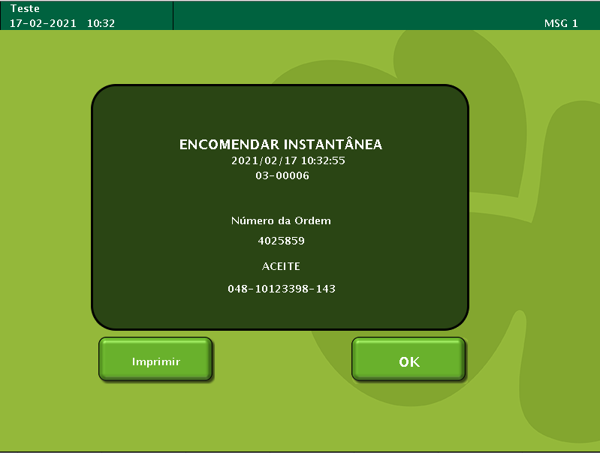
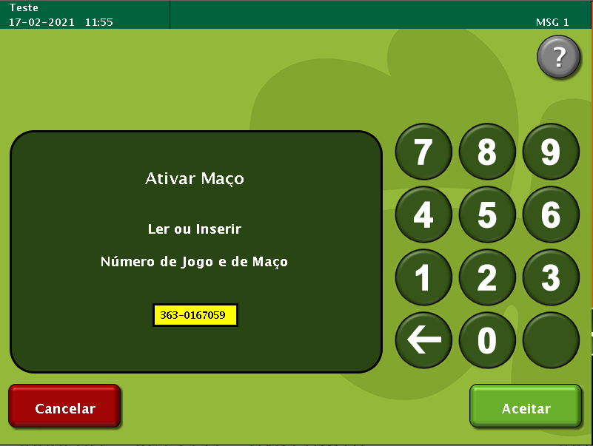
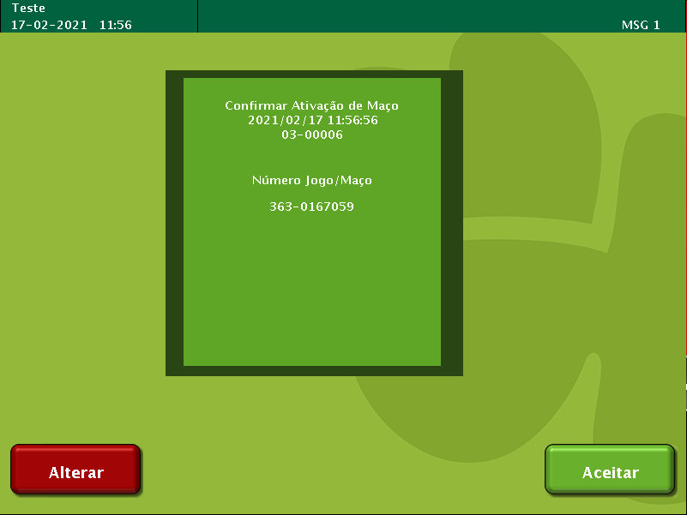
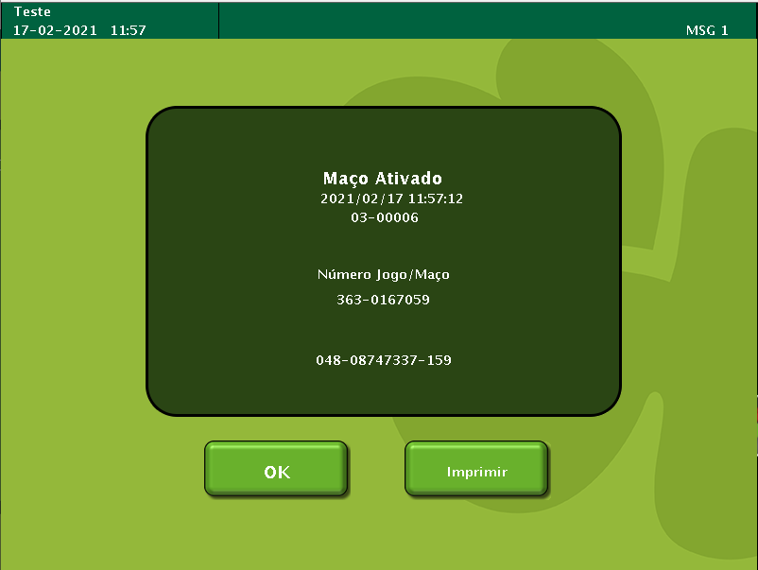

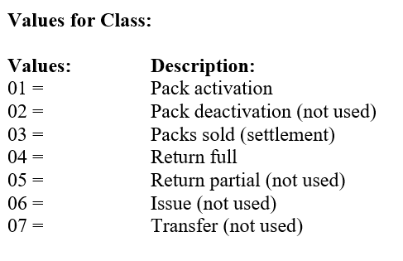

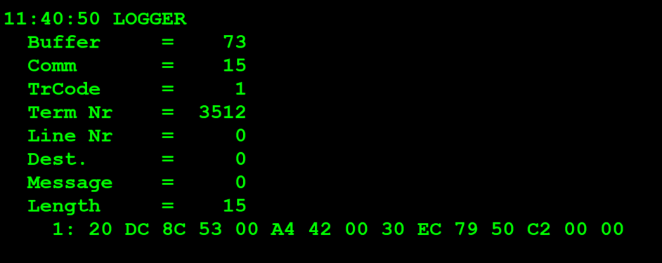
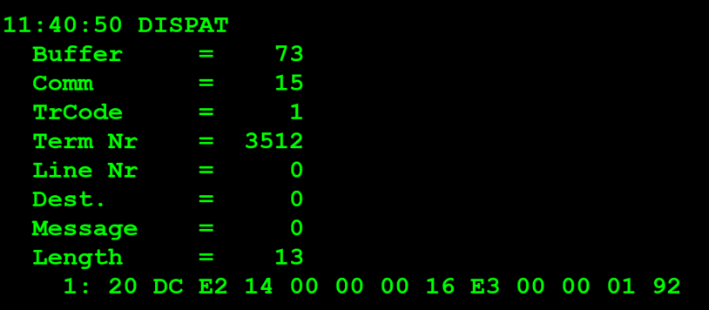

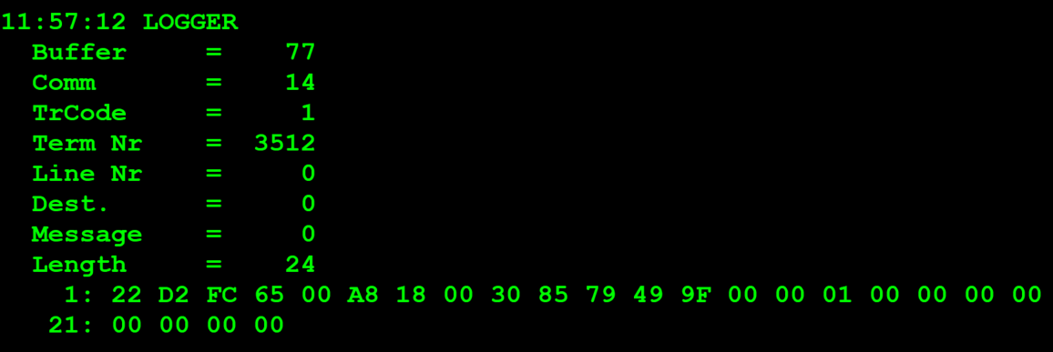
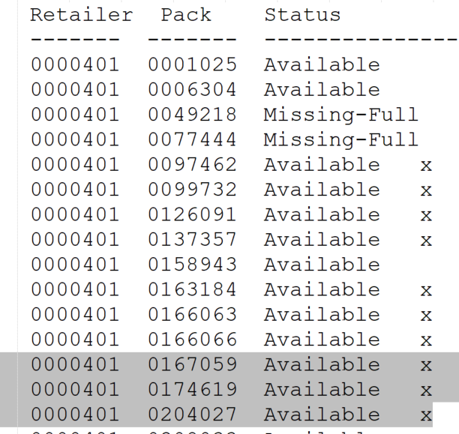
TestByte |  | Size | Field Contents
Start | End
1 | 1 | 1 | Control | Sequence | 22 | Control=0010 Sequence=0010 | 2 2 | Control -> x10 - Application Message Sequence -> 2
2 | 2 | 1 | Type = 13 | Subtype = 02 | D2 | Type=1101 Subtype=0110 | Type=13 Subtype=2 | Type = 13 Subtype = 2
3 | 4 | 2 | Checksum |  | FC 65
5 | 7 | 3 | Time Stamp (seconds since midnight) |  | 00 A8 18 |  | 43032 | 11:57:12.
8 | 9 | 2 | Julian Date (3 digits, unsigned) |  | 00 30 |  | 48 | 31+17=48
10 | 12 | 3 | External Serial Number (8 digits, unsigned) |  | 85 79 49 |  | 8 747 337 | 08.747.337
13 | 13 | 1 | Check Digits (3 digits, unsigned) |  | 9F |  | 159 | 159
14 | 14 | 1 | Result Code 1 (see below) |  | 00
15 | 15 | 1 | Result Code 2 (see below) |  | 00
16 | 16 | 1 | Class (see below) |  | 01 |  | 1 | Pack Activation
17 | 20 | 4 | Amount Sold (cents) |  | 00 00 00 00 |  | 0
21 | 24 | 4 | Amount of Remuneration (cents) |  | 00 00 00 00 |  | 0

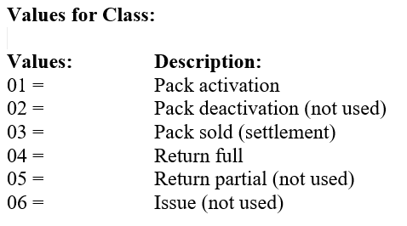

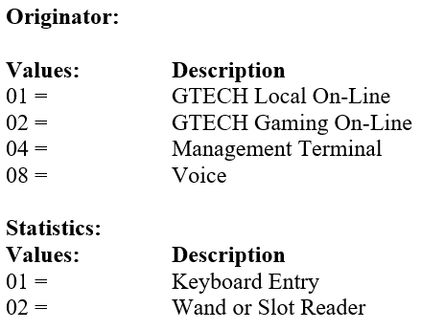
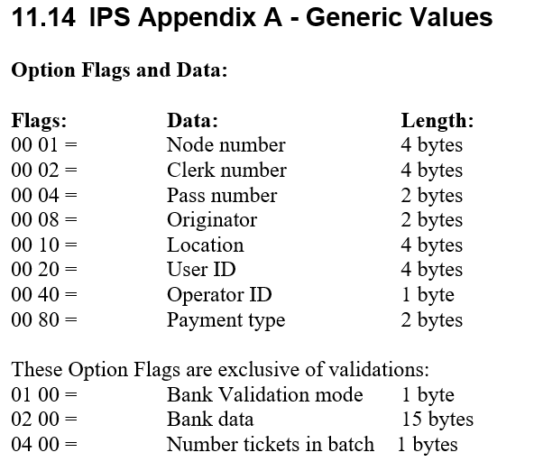

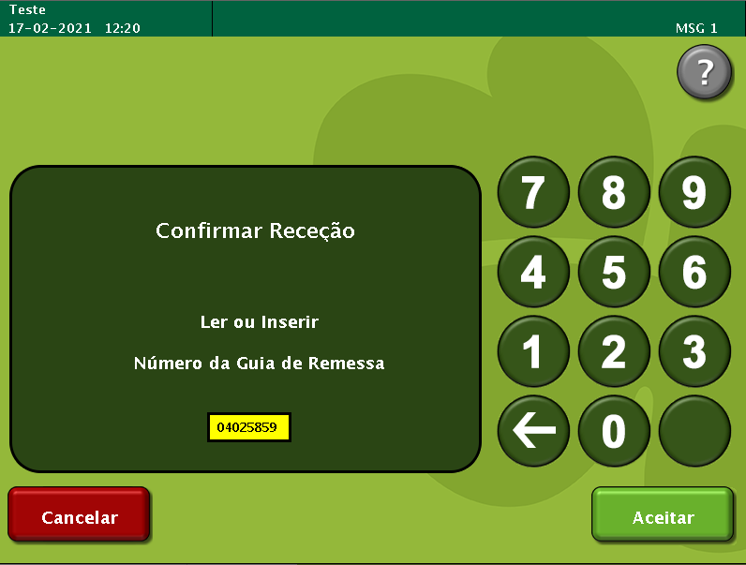
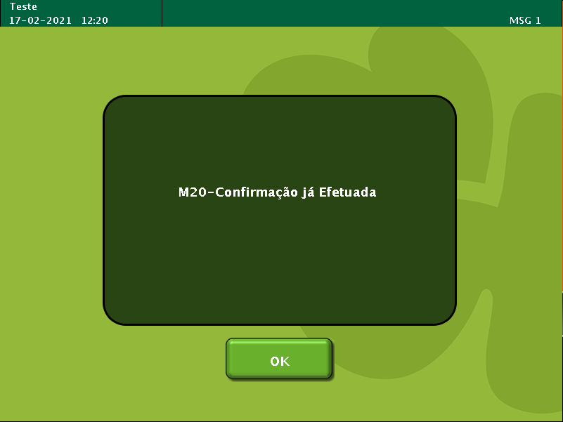

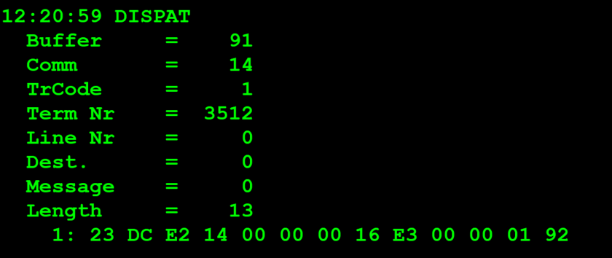
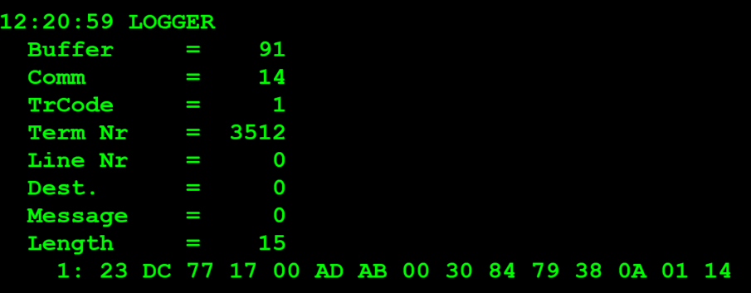

 |  |  |  |  |  |  |  | Result Code 1 -> 1
 |  |  |  |  |  |  |  | Result Code 2 -> 14=20

